Country Difference
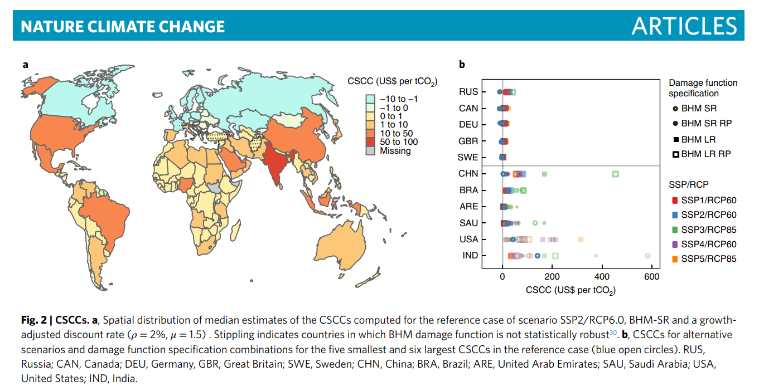
 | USD/tCO2 | Range | % vs US
Global | 417 |  | 869%
India | 86 | 49-157 | 179%
United States | 48 | 1-118 | 100%
Saudi Arabia | 47 | 27-86 | 98%
Brazil | 24 | 14-41 | 50%
China | 24 | 4-50 | 50%
United Arab Emirates | 24 | 14-48 | 50%

